Defect report
Defect ID | Defect Summary | Mobile Device/Version No. | Step | Test Data | Defect types | Defect Severity | Defect Priority | Screenshot/Video
9.2 | verify password by entering unlimited character. There should be limit on it. | iPhone - 17.1.2 | 1)Open the App Store application 2)Search for the pinterest Application 3)Tap on the install option 4)Tap on the Open button 5)Tap on Sign Up button 6)Enter the Email address 7)Tap on Next 8)Enter password | Password : asdfghjklqwertyuiopzxcvbnm... | SECURITY | MEDIUM | LOW | 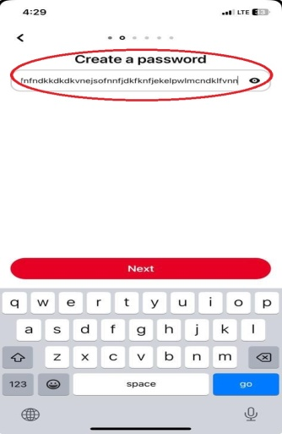
9.3 | verify password by using only basic symbols. | iPhone - 17.1.2 | 1)Open the App Store application 2)Search for the pinterest Application 3)Tap on the install option 4)Tap on the Open button 5)Tap on Sign Up button 6)Enter the Email address 7)Tap on Next 8)Enter password | Password : @#$@#$ | SECURITY | MEDIUM | MEDIUM | 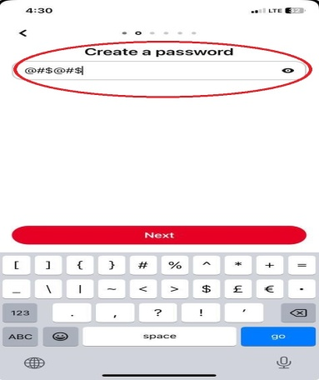
9.4 | verify password by using only numbers. | iPhone - 17.1.2 | 1)Open the App Store application 2)Search for the pinterest Application 3)Tap on the install option 4)Tap on the Open button 5)Tap on Sign Up button 6)Enter the Email address 7)Tap on Next 8)Enter password | Password : 1234567 | SECURITY | LOW | MEDIUM | 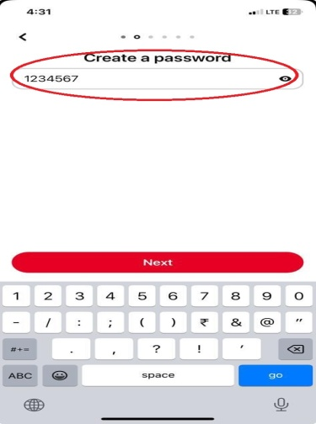
9.6 | verify password by using only emojis. | iPhone - 17.1.2 | 1)Open the App Store application 2)Search for the pinterest Application 3)Tap on the install option 4)Tap on the Open button 5)Tap on Sign Up button 6)Enter the Email address 7)Tap on Next 8)Enter password | Password : Emojis | SECURITY | HIGH | MEDIUM | 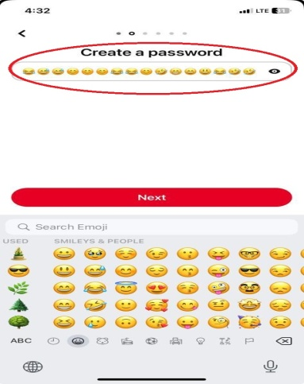
9.7 | verify password by using symbol, numer, letter, emojis... | iPhone - 17.1.2 | 1)Open the App Store application 2)Search for the pinterest Application 3)Tap on the install option 4)Tap on the Open button 5)Tap on Sign Up button 6)Enter the Email address 7)Tap on Next 8)Enter password | Password : /<]$@123abc (emoji) | SECURITY | LOW | LOW | 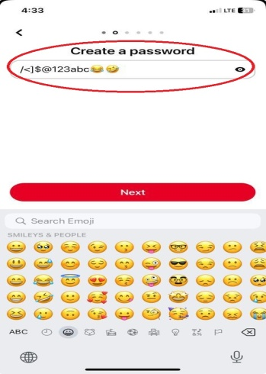
12.1 | verify create name by numbers. But it shows that name can not have symbole | iPhone - 17.1.2 | 1)Open the App Store application 2)Search for the pinterest Application 3)Tap on the install option 4)Tap on the Open button 5)Tap on Sign Up button 6)Enter the Email address 7)Tap on Next 8)Enter password 9)Tap on eye option 10)Tap on Next 11)Tap on name | Name : 123 | FUNCTIONALITY | MEDIUM | LOW | 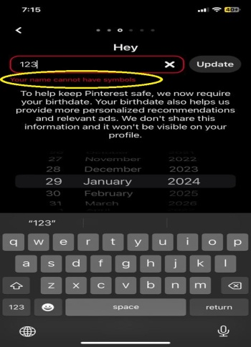
12.2 | verify create name by numbers and symbols. | iPhone - 17.1.2 | 1)Open the App Store application 2)Search for the pinterest Application 3)Tap on the install option 4)Tap on the Open button 5)Tap on Sign Up button 6)Enter the Email address 7)Tap on Next 8)Enter password 9)Tap on eye option 10)Tap on Next 11)Tap on name | Name : 123@&% | FUNCTIONALITY | LOW | LOW | 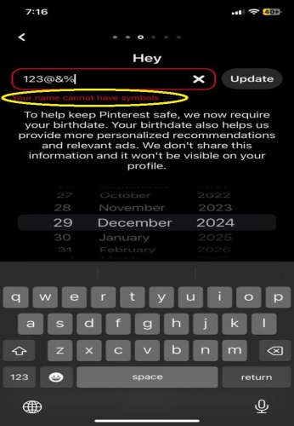
12.3 | verify create name by letters and numbers. | iPhone - 17.1.2 | 1)Open the App Store application 2)Search for the pinterest Application 3)Tap on the install option 4)Tap on the Open button 5)Tap on Sign Up button 6)Enter the Email address 7)Tap on Next 8)Enter password 9)Tap on eye option 10)Tap on Next 11)Tap on name | Name : abc123 | FUNCTIONALITY | MEDIUM | LOW | 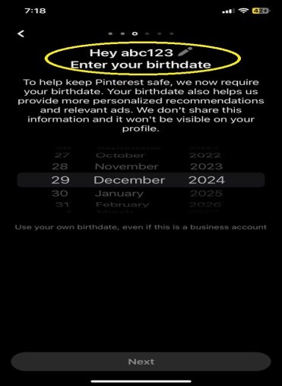
12.4 | verify create name by letters and symbols. | iPhone - 17.1.2 | 1)Open the App Store application 2)Search for the pinterest Application 3)Tap on the install option 4)Tap on the Open button 5)Tap on Sign Up button 6)Enter the Email address 7)Tap on Next 8)Enter password 9)Tap on eye option 10)Tap on Next 11)Tap on name | Name : abc@& | FUNCTIONALITY | MEDIUM | LOW | 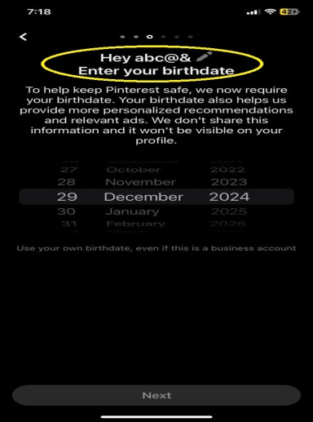
12.5 | verify create name by symbols and letters. | iPhone - 17.1.2 | 1)Open the App Store application 2)Search for the pinterest Application 3)Tap on the install option 4)Tap on the Open button 5)Tap on Sign Up button 6)Enter the Email address 7)Tap on Next 8)Enter password 9)Tap on eye option 10)Tap on Next 11)Tap on name | Name : @&-(%}=<abc | FUNCTIONALITY | MEDIUM | LOW | 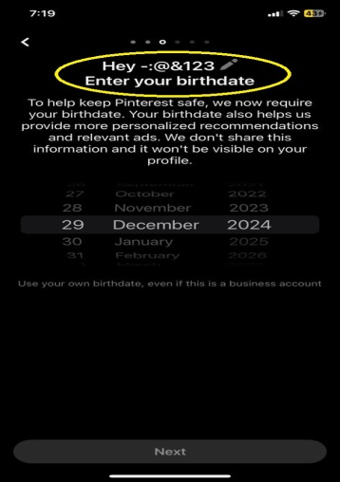
12.6 | verify create name by numbers and letters. | iPhone - 17.1.2 | 1)Open the App Store application 2)Search for the pinterest Application 3)Tap on the install option 4)Tap on the Open button 5)Tap on Sign Up button 6)Enter the Email address 7)Tap on Next 8)Enter password 9)Tap on eye option 10)Tap on Next 11)Tap on name | Name : 123abc | FUNCTIONALITY | MEDIUM | LOW | 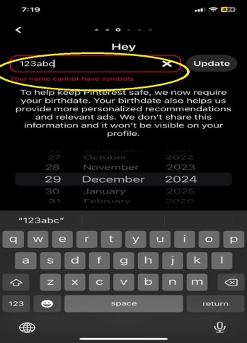
12.7 | verify create name by symbols and numbers. | iPhone - 17.1.2 | 1)Open the App Store application 2)Search for the pinterest Application 3)Tap on the install option 4)Tap on the Open button 5)Tap on Sign Up button 6)Enter the Email address 7)Tap on Next 8)Enter password 9)Tap on eye option 10)Tap on Next 11)Tap on name | Name : @&123 | FUNCTIONALITY | MEDIUM | LOW | 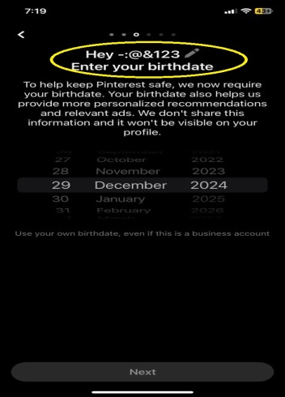
39 | verify that we can search the sticker. | iPhone - 17.1.2 | 1)Open the App Store application 2)Search for the pinterest Application 3)Tap on the install option 4)Sign Up the App 5)Tap on image 6)Tap on (<) 7)Tap on (...) 8)Tap on close button 10)Tap on Hide 11)Tap on close 12)Tp on turn feed 13)Tap on interest 14)Tap on Boards 15)Tap on following 16)Tap on unfollow 17)TAp on 'X' 18)Tap on 'like or comment' 18)Tap on like 19)Tap on comment | NA | FUNCTIONALITY | MEDIUM | MEDIUM | 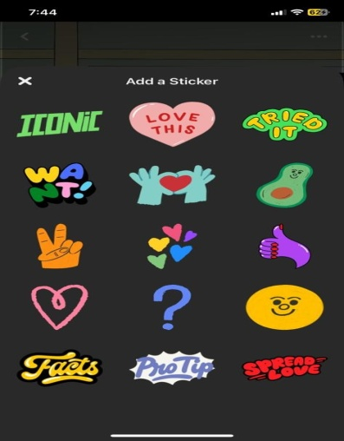
52 | verify that while we tap on 'Saved' it remove from save | iPhone - 17.1.2 | 1)Open the App Store application 2)Search for the pinterest Application 3)Tap on the install option 4)Sign Up the App 5)Tap on image 6)Tap on (<) 7)Tap on (...) 8)Tap on close button 10)Tap on Hide 11)Tap on close 12)Tp on turn feed 13)Tap on interest 14)Tap on Boards 15)Tap on following 16)Tap on unfollow 17)TAp on 'X' 18)Tap on 'like or comment' 18)Tap on like 19)Tap on comment 20)Tap on edit comment 21)Tap on delete comment 22)Tap on like comment 23)Tap on reply 24)Tap on cemmented image 25)Tap on 'X' 26)Tap on Save | NA | GUI | HIGH | MEDIUM | 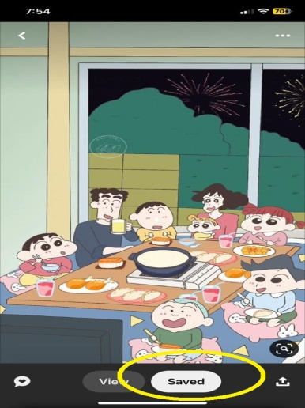
73 | verify that we can search the sticker. | iPhone - 17.1.2 | 1)Open the App Store application 2)Search for the pinterest Application 3)Tap on the install option 4)Sign Up the App 5)Tap on video 6)Tap on (<) 7)Tap on (...) 8)Tap on close button 10)Tap on Hide 11)Tap on close 12)Tp on turn feed 13)Tap on interest 14)Tap on Boards 15)Tap on following 16)Tap on unfollow 17)TAp on 'X' 18)Tap on play or puse 19)Tap on On/Off 20)Tap on Zoom in/out 21)Tap on 'like or comment' 22)Tap on like 23)Tap on comment | NA | FUNCTIONALITY | MEDIUM | MEDIUM | 
86 | verify that while we tap on 'Saved' it remove from save | iPhone - 17.1.2 | 1)Open the App Store application 2)Search for the pinterest Application 3)Tap on the install option 4)Sign Up the App 5)Tap on video 6)Tap on (<) 7)Tap on (...) 8)Tap on close button 10)Tap on Hide 11)Tap on close 12)Tp on turn feed 13)Tap on interest 14)Tap on Boards 15)Tap on following 16)Tap on unfollow 17)TAp on 'X' 18)Tap on 'like or comment' 18)Tap on like 19)Tap on comment 20)Tap on edit comment 21)Tap on delete comment 22)Tap on like comment 23)Tap on reply 24)Tap on cemmented image 25)Tap on 'X' 26)Tap on Save | NA | GUI | HIGH | MEDIUM | 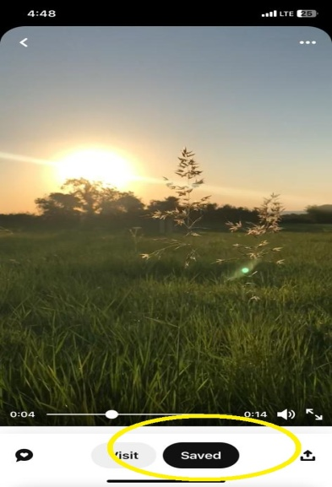
104 | verify that there is limitation of words in Description. | iPhone - 17.1.2 | 1)Open the App Store application 2)Search for the pinterest Application 3)Tap on the install option 4)Sign Up the App 5)Tap on ' X ' (add) option 6)Tap on Pin 7)Tap on saved image 8)tap on next 9)Tap on Title 10)Tap on Description | Description : assdffgh... | FUNCTIONALITY | MEDIUM | LOW | 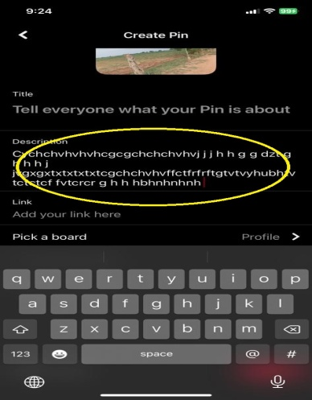
120 | verify that we can delete the message. | iPhone - 17.1.2 | 1)Open the App Store application 2)Search for the pinterest Application 3)Tap on the install option 4)Sign Up the App 5)Tap on notification 6)Tap on message 7)Tap on new message 8)Tap on add message 9)Tap on add message | NA | FUNCTIONALITY | HIGH | MEDIUM | 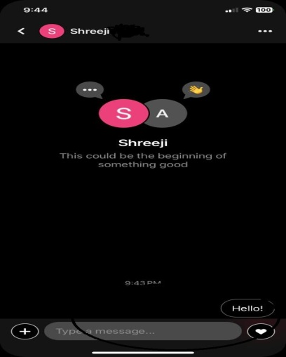
124 | verify that we can create a group of friends for chatting. | iPhone - 17.1.2 | 1)Open the App Store application 2)Search for the pinterest Application 3)Tap on the install option 4)Sign Up the App 5)Tap on notification 6)Tap on message 7)Tap on new message | NA | FUNCTIONALITY | MEDIUM | MEDIUM | 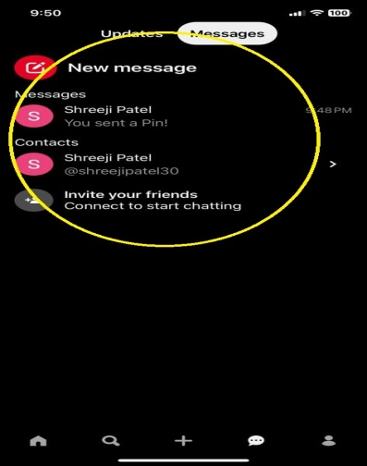
186 | verify that there is limitation in words of add Title. | iPhone - 17.1.2 | 1)Open the App Store application 2)Search for the pinterest Application 3)Tap on the install option 4)Sign Up the App 5)Tap on saved option 6)Tap on pins 7)Tap on favourits 8)Tap on created by you 9)Tap on boards 10)Tap on view option 11)Tap on + 12)Tap on pin 13)Tap on collage 14)Tap on Get started 15)Tap on drawing option 16)Tap on select color 17)Tap on add text 18)Tap on change font style 19)Tap on change font color 20)Tap on adjust font size 21)Tap on camera 22)Tap on change the backgraund color 23)Tap on Undo 24)Tap on X 25)Tap on download image 26)Tap on save and exit 27)Tap on next errow 28)Tap on add a Title | NA | FUNCTIONALITY | LOW | LOW | 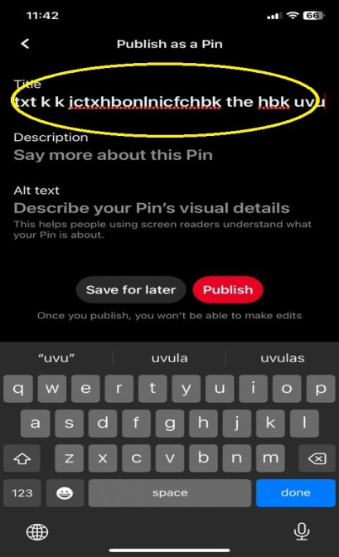
188 | verify that there is limitation in words of Description. | iPhone - 17.1.2 | 1)Open the App Store application 2)Search for the pinterest Application 3)Tap on the install option 4)Sign Up the App 5)Tap on saved option 6)Tap on pins 7)Tap on favourits 8)Tap on created by you 9)Tap on boards 10)Tap on view option 11)Tap on + 12)Tap on pin 13)Tap on collage 14)Tap on Get started 15)Tap on drawing option 16)Tap on select color 17)Tap on add text 18)Tap on change font style 19)Tap on change font color 20)Tap on adjust font size 21)Tap on camera 22)Tap on change the backgraund color 23)Tap on Undo 24)Tap on X 25)Tap on download image 26)Tap on save and exit 27)Tap on next errow 28)Tap on add a Title 29)Tap on add Description | NA | FUNCTIONALITY | LOW | LOW | 